Sheet1
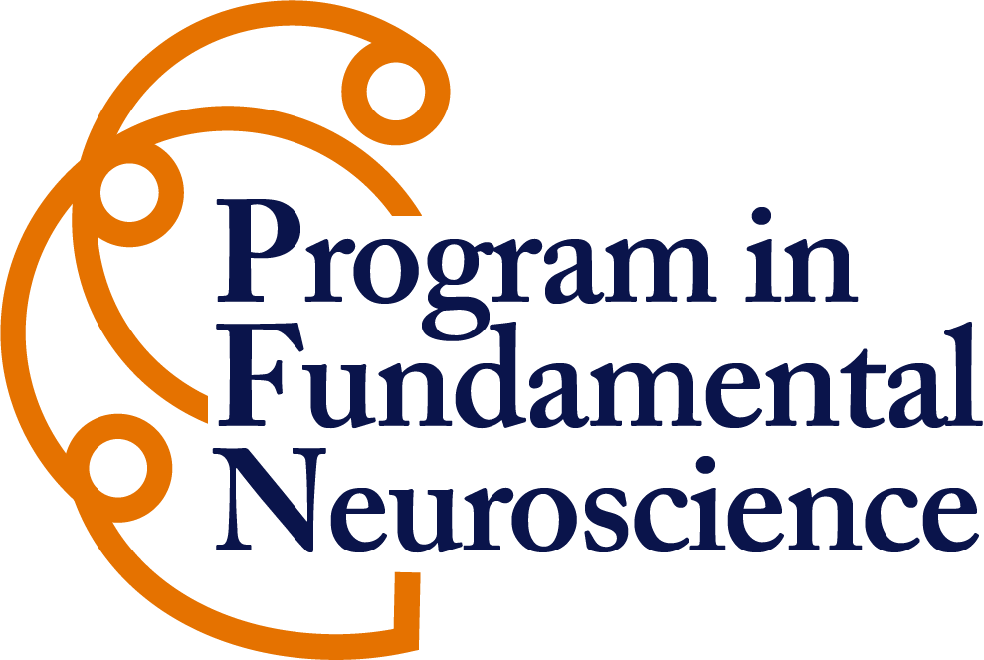 Neuroscience Major Advising Checklist / Course Planning
• First and Last Name
• What semester and year will you graduate from UVA
• Do you have a preferred NESC Major Advisor
• Please list any other majors you declared or plan to declare
Note: Due to significant course overlap, Neuroscience majors may not double major or minor in Psychology or Biology

1 Qualifying Course to Declare the Major Plan to complete before the end of year 2

Complete at least one 3000-level Core Course (grade C+ or higher) | Completed | Semester Taken or Planned (e.g., Spring 2026) | Normally Offered...
BIOL 3000 – Cell Biology | FALSE |  | fall / spring
BIOL 3010 – Genetics and Molecular Biology | FALSE |  | fall / spring
PSYC 3160 – Cognitive Neuroscience | FALSE |  | fall / spring (sometimes)
BIOL 3050 – Introduction to Neurobiology | FALSE |  | fall
-or- PSYC 3200 – Fundamentals of Neuroscience | FALSE |  | spring
Cumulative GPA ≥ 2.500 at UVA | FALSE
In good academic standing | FALSE

11 Required Foundational Science Courses/Labs Aim to complete during year 1 and 2; may be fullfilled with equivalent transfer or test credit

Biology (year 1) | Completed | Semester Planned or Taken | Normally Offered...
BIOL 2100 – Intro Biology with Lab: Cell Biology & Genetics | FALSE |  | fall / spring

Chemistry I and II Lecture Plus Labs (year 1) | Completed | Semester Planned or Taken | Normally Offered...
CHEM 1410 Intro College Chemistry I | FALSE |  | fall
CHEM 1411 Intro College Chemistry I Lab | FALSE |  | fall
CHEM 1420 Intro College Chemistry II | FALSE |  | spring
CHEM 1421 Intro College Chemistry II Lab | FALSE |  | spring
Note: The more advanced CHEM 1800 Series is also accepted

Mathematics (pick one) | Completed | Semester Planned or Taken | Normally Offered...
MATH 1310 – Calculus I (recommended) | FALSE |  | fall / spring
-or- MATH 1210 – Survey of Calculus I | FALSE |  | fall / spring

Statistics (pick one) | Completed | Semester Planned or Taken | Normally Offered...
STAT 1601 – Intro to Data Science with R | FALSE |  | fall / spring
STAT 1602 – Intro to Data Science with Python | FALSE |  | fall / spring
STAT 2020 – Statistics for Biologists | FALSE |  | fall / spring
STAT 2120 – Introduction to Statistical Analysis | FALSE |  | fall / spring
PSYC 2005 – Research Methods and Data Analysis I | FALSE |  | fall / spring

Physics I and II plus Workshop (pick a series) | Completed | Semester Planned or Taken | Normally Offered...
Pre-health Series
PHYS 2010 – Principles of Physics I | FALSE |  | fall
PHYS 2030 – Physics Lab I | FALSE |  | fall
PHYS 2020 – Principles of Physics II | FALSE |  | spring
PHYS 2040 – Physics Lab II | FALSE |  | spring
-or-
Physics or Engineering Series
PHYS 1420 or 1425 – General Physics I | FALSE |  | fall
PHYS 1429 – Physics Laboratory I | FALSE |  | fall
PHYS 2410 or 2415 – General Physics II | FALSE |  | spring
PHYS 2419 – Physics Laboratory II | FALSE |  | spring

9 Required Major Courses (27 credits) Aim to complete during year 2, 3 and 4. Students must maintain at least a 2.500 GPA and a grade of C+ or better in all courses. Students will be dropped from the major if they fail to meet these requirements.

4 Core Classes | Completed | Semester Planned or Taken | Normally Offered...
BIOL 3000 – Cell Biology | FALSE |  | fall / spring
BIOL 3010 – Genetics and Molecular Biology | FALSE |  | fall / spring
PSYC 3160 – Cognitive Neuroscience | FALSE |  | fall / spring (sometimes)
BIOL 3050 – Introduction to Neurobiology | FALSE |  | fall
-or- PSYC 3200 – Fundamentals of Neuroscience | FALSE |  | spring

1 Core Lab (choose at least 1) | Completed | Semester Planned or Taken | Normally Offered...
NESC 4030 The Study of Neuroscience from Molecules to Minds (4ch) | FALSE |  | fall / spring
NESC 4047 Neural Development Lab (formerly NESC 4559) (3ch) | FALSE |  | fall
Two semesters of Research may also satisfy the lab requirement:
NESC 3960 Research in Neuroscience Semester 1 (3 ch) | FALSE |  | fall / spring
NESC 3960 Research in Neuroscience Semester 2 (3 ch) | FALSE |  | fall / spring
Note that all students are encouraged to take one of the laboratory courses even with independent research

4 Major Electives Check the Current Course Offerings page linked below to find currently offered approved electives | Completed | Semester Planned or Taken
Group 1 – Cellular & Molecular Neuroscience | FALSE
selected course:
Group 2 – Behavioral & Cognitive Neuroscience | FALSE
selected course:
Group 3 – Related Science & Quantitative Coursess | FALSE
selected course:
Addtional elective (can come from any group) | FALSE
selected course:

Helpful Links:
• Current Course Offerings: https://neuroscience.virginia.edu/course-offerings

• Admissions and Requirements: https://neuroscience.virginia.edu/admission-requirements

• For questions about this form please contact: Lisa Ishler, NescCoordinator@virginia.edu

